Statistical Functions
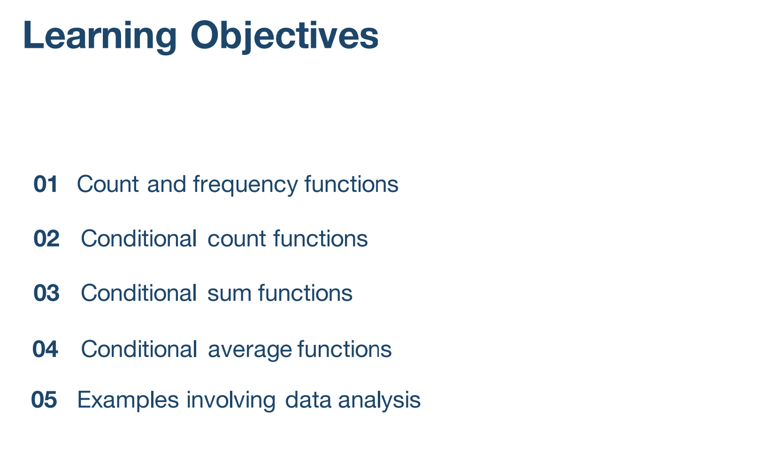

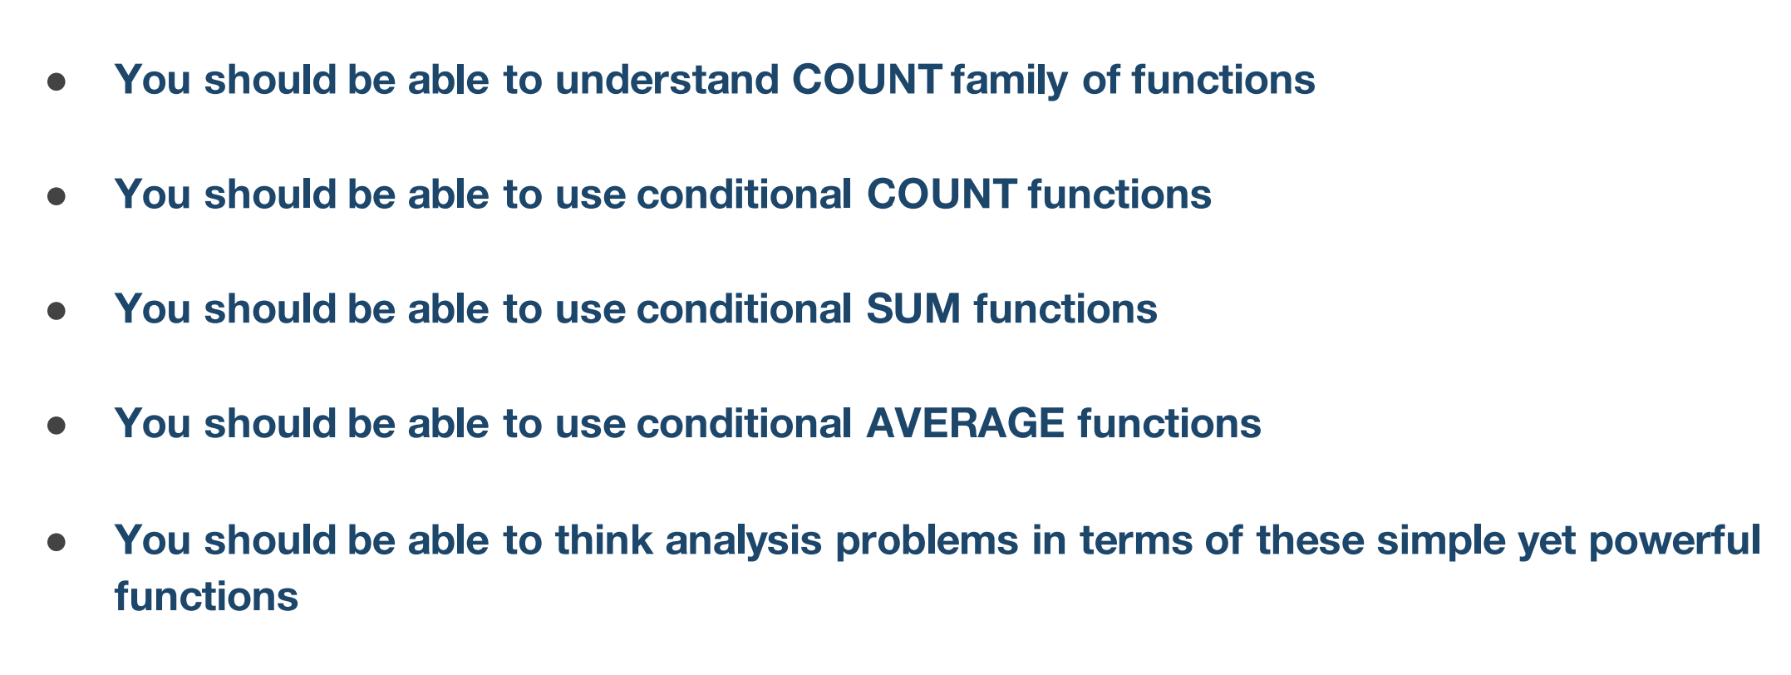

Count Function and Variants
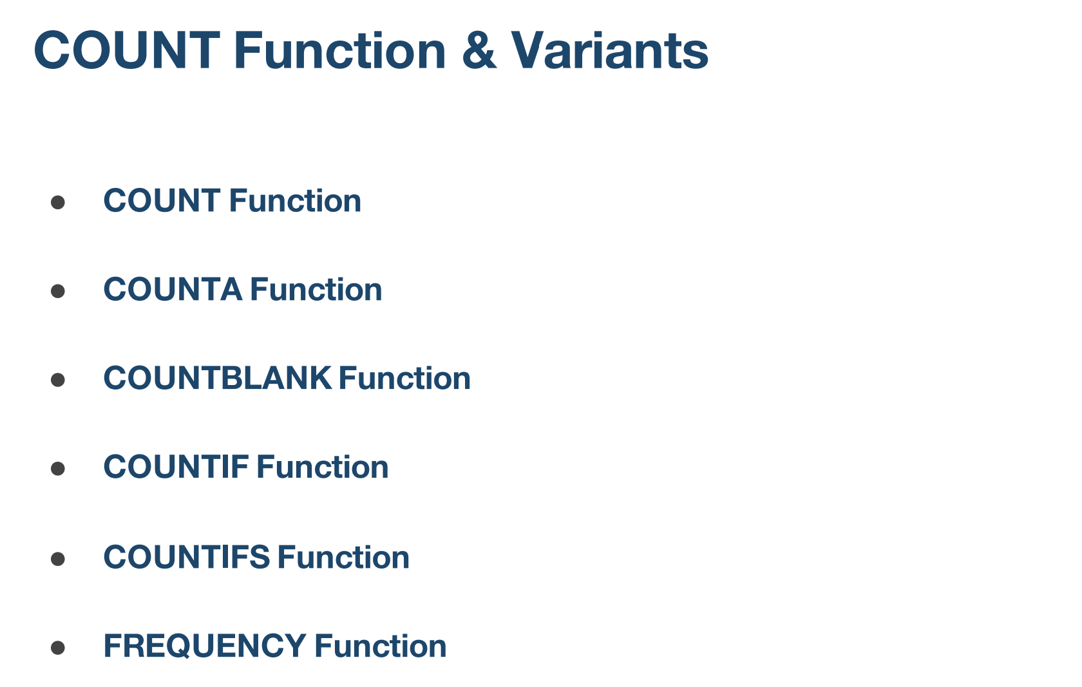

Count Function
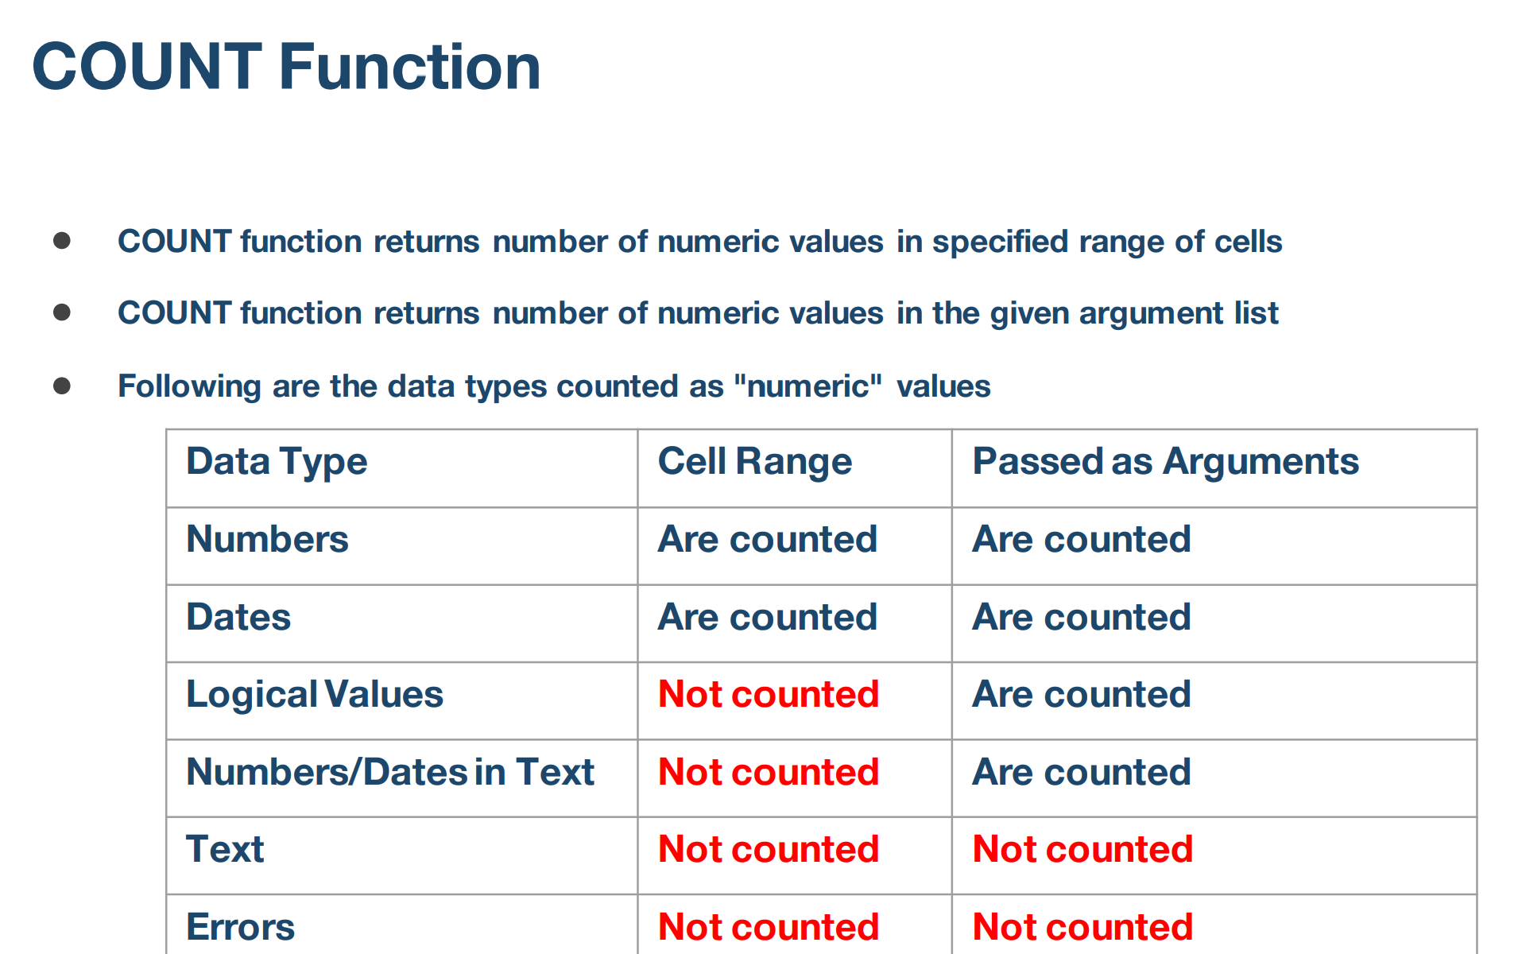

Example
5 | 0 | 2 | =COUNT(A42:A46)
text |  | 3 | =COUNT(A42:A46,B42)
FALSE |  | 4 | =COUNT(A42:A46,B42:B46)
2023-01-01
#N/A | 10

Example
2 | passing arguments | 1 | =COUNT(DATE(2025,3,6))
3 | boolean values | 2 | =COUNT(5,DATE(2025,8,5))
0 | text and Errors | 0

COUNTIF Function
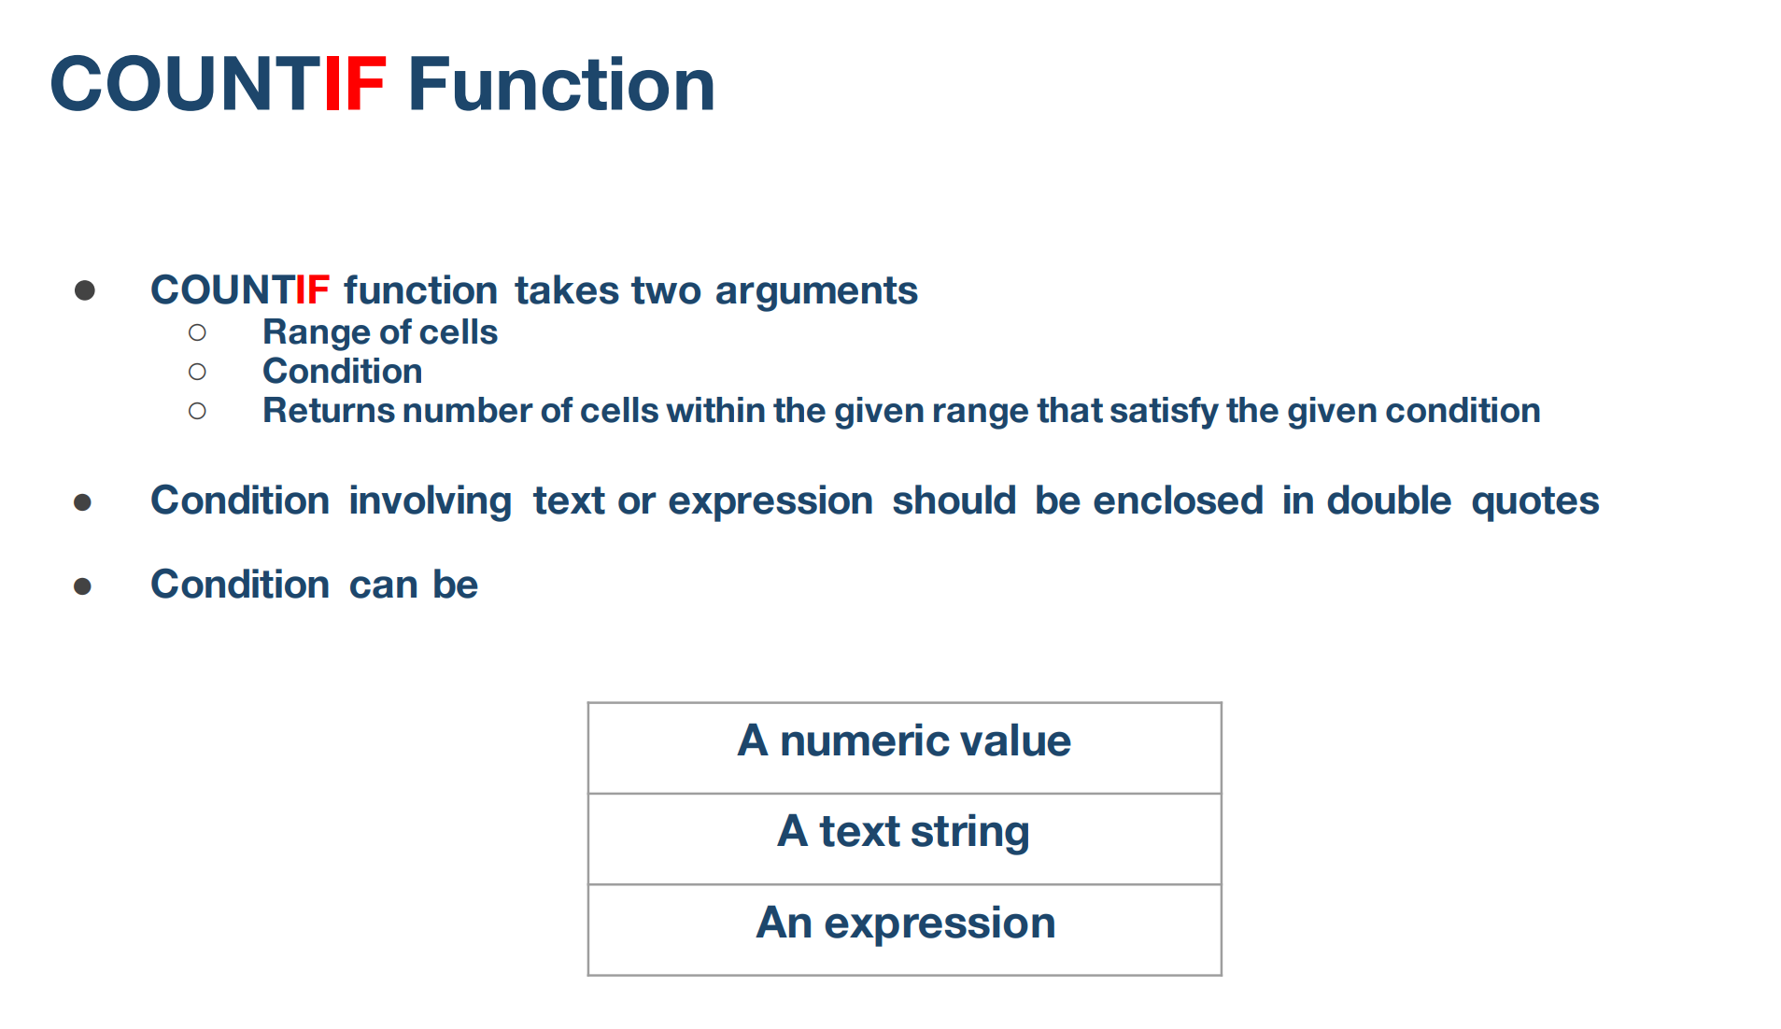

Example
Roll Number | Marks
123 | 55 | 6 | =COUNTIF(B37:B42,">40")
124 | 73 | 4 | =COUNTIF(B37:B42,"<80")
125 | 47
126 | 58
127 | 82
128 | 90

Example - Condition is String
Day | Date | Result | Formula
Friday | 2023-09-22 | 3 | =COUNTIF(A46:A53,"Friday")
Thursday | 2023-09-21 | 0 | =COUNTIF(A46:A53,"Sunday")
Monday | 2023-09-18
Tuesday | 2023-09-19
Friday | 2023-09-29
Saturday | 2023-09-30
Friday | 2023-10-06
Monday | 2023-10-01

Example - Condition is Boolean Values
Roll Number | Result | 4 | =COUNTIF(B59:B64,"True")
123 | TRUE
124 | FALSE | 2 | =COUNTIF(B59:B64,"False")
125 | TRUE
126 | TRUE
127 | FALSE
128 | TRUE

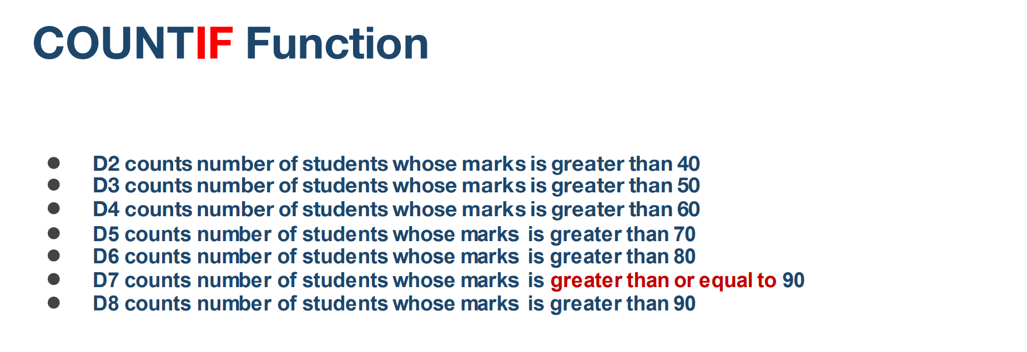
Example - Condition is number
Roll Number | Course ID
123 | 102 | 4 | =COUNTIF(B69:B74,"102")
124 | 103
125 | 102
126 | 102
127 | 102
128 | 103

Example - Counting duplicates
Aadhar Number | Name | 3 | =COUNTIF(B79:B84,"Ramesh")
1234-5678-9012 | Ramesh
1234-5678-9013 | Radha
1234-5678-9014 | Raghu
1234-5678-9012 | Ramesh
1234-5678-9014 | Raghu
1234-5678-9012 | Ramesh

COUNTIFS Function
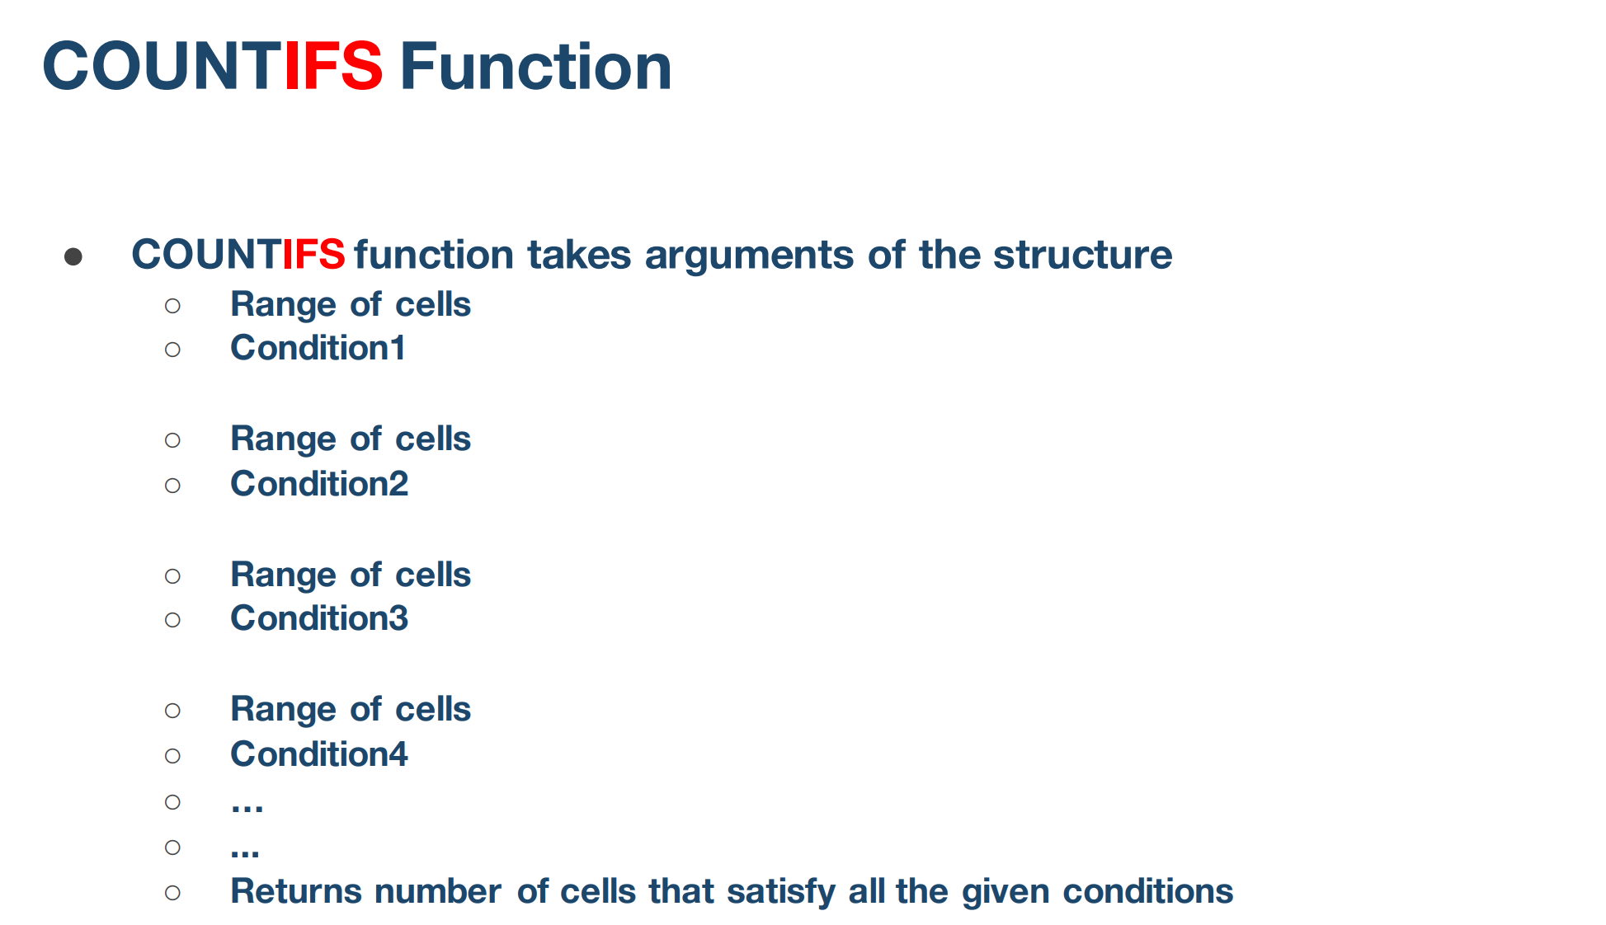

Example
Roll Number | Gender | Subject | Percent | Result | Formula
123 | Male | Maths | 55 |  | 3 | =COUNTIFS(B43:B54,"Female",D43:D54,">60") | 2 conditions pass
124 | Male | English | 73 |  | Number of female students who scored more than 60 percentage
125 | Male | Science | 47
126 | Male | Maths | 58
127 | Female | English | 82
128 | Male | Science | 90
129 | Female | Maths | 77
130 | Male | English | 67
131 | Male | Science | 75
132 | Female | Maths | 83
133 | Male | English | 85
134 | Male | Science | 86

Example
Roll Number | Gender | Subject | Percent | Result | Formula
123 | Male | Maths | 55 |  | 2 | =COUNTIFS(B63:B75,"Female",D63:D75,">80") | 2 conditions pass
124 | Male | English | 73
125 | Male | Science | 47 |  | Number of female students who scored more than 80 percentage
126 | Male | Maths | 58
127 | Female | English | 82
128 | Male | Science | 90
129 | Female | Maths | 77
130 | Male | English | 67
131 | Male | Science | 75
132 | Female | Maths | 83
133 | Male | English | 85
134 | Male | Science | 86
134 | Male | Science | 86

Example
Roll Number | Gender | Subject | Percent | Result | Formula
123 | Male | Maths | 55 |  | 1 | =COUNTIFS(C80:C93,"Science",D80:D93,"<50") | 2 condition pass
124 | Male | English | 73
125 | Male | Science | 47 |  | Number of students who scored less than 50 percentage in Science
126 | Male | Maths | 58
127 | Female | English | 82
128 | Male | Science | 90
129 | Female | Maths | 77
130 | Male | English | 67
131 | Male | Science | 75
132 | Female | Maths | 83
133 | Male | English | 85
134 | Male | Science | 86
134 | Male | Science | 86
135 | Male | English | 77

Frequency Function
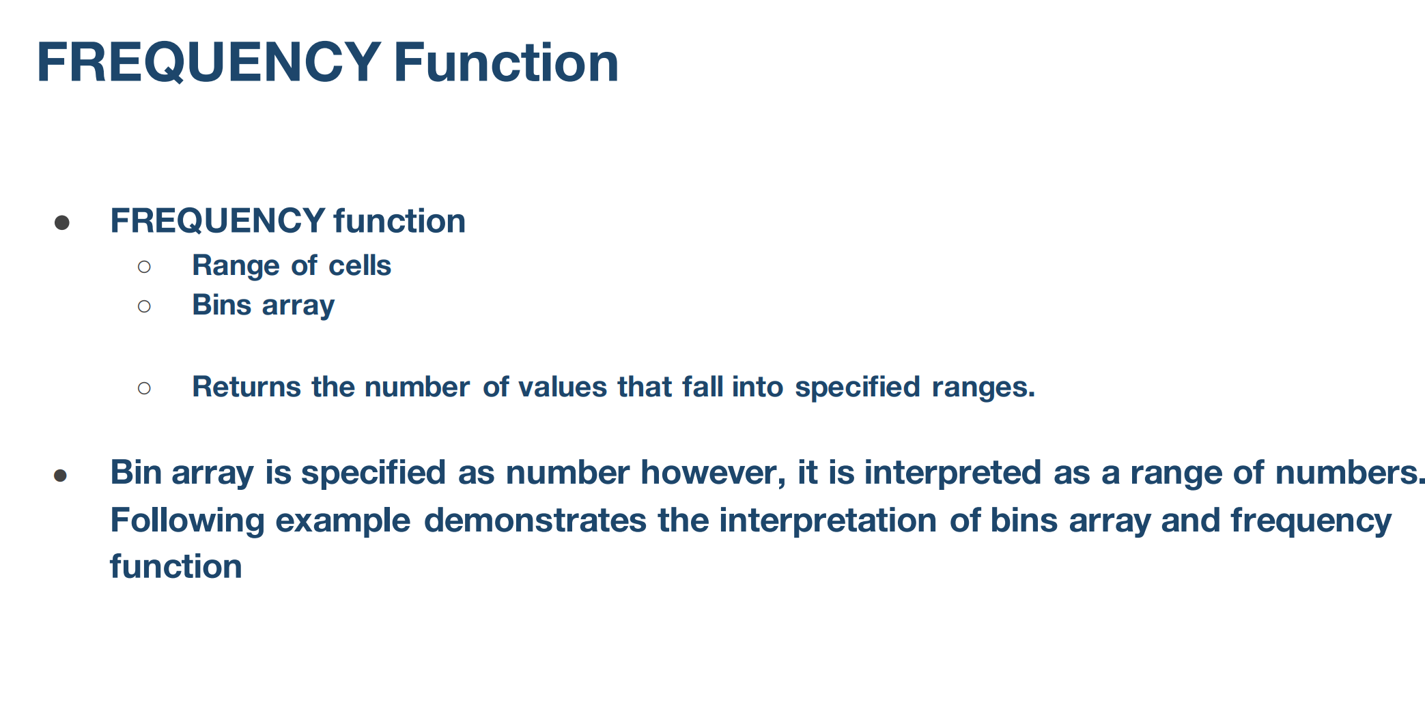

Example
Roll Number | Marks | Bins | Result | Formula | Bin Start | Bin End
123 | 55 | 29 | 0 | =FREQUENCY(B35:B46,C35:C42) | 0 | 29
124 | 73 | 39 | 0 | Number of students whose marks are between bin start and bin end | 30 | 39
125 | 47 | 49 | 1 |  | 40 | 49
126 | 58 | 59 | 1 |  | 50 | 59
127 | 82 | 69 | 1 |  | 60 | 69
128 | 90 | 79 | 4 |  | 70 | 79
129 | 77 | 89 | 8 |  | 80 | 89
130 | 67 | 99 | 8 |  | 90 | 99
131 | 75 |  |  |  | 100
132 | 83
133 | 85
134 | 86

Example
Height | Bins | Result |  | Formula | Bin Starting | Bin ending
1.02 | 1 | 3 |  |  | 0 | 0.999999
0.98 | 1.2 | 2 |  | Number of cells between the bin starting value and bin ending value | 1 | 1.199999
1.33 | 1.4 | 3 |  |  | 1.2 | 1.399999
1.39 |  | 2 |  |  | 1.4
1.55
1.62
1.01
0.75
0.9
1.25

SONGS Analytics
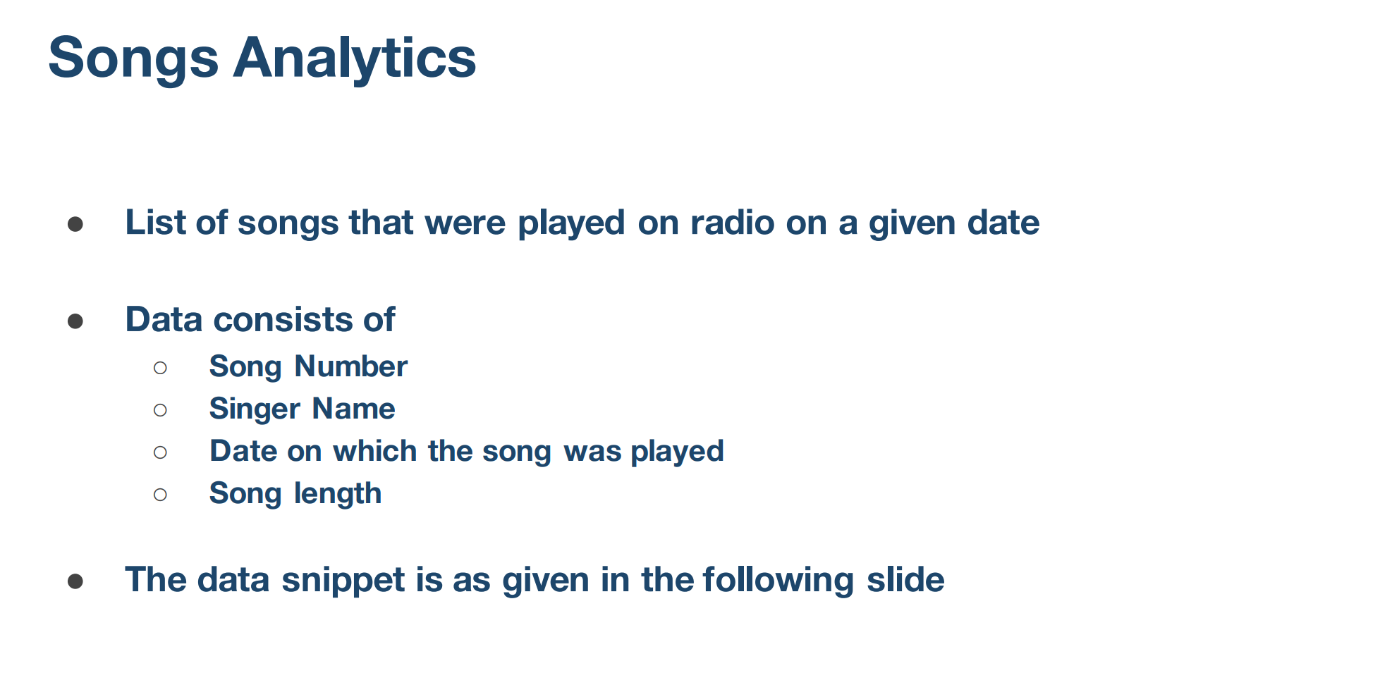

SUMIF Function
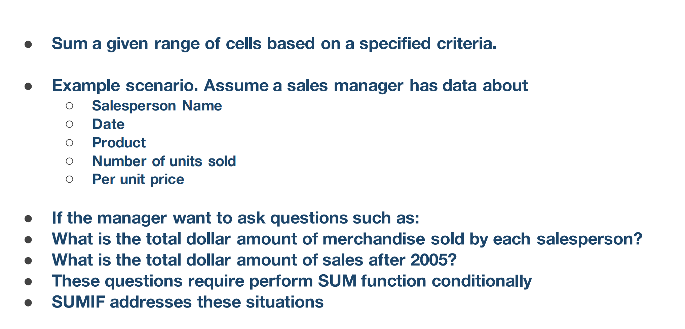

SUMIFS Function
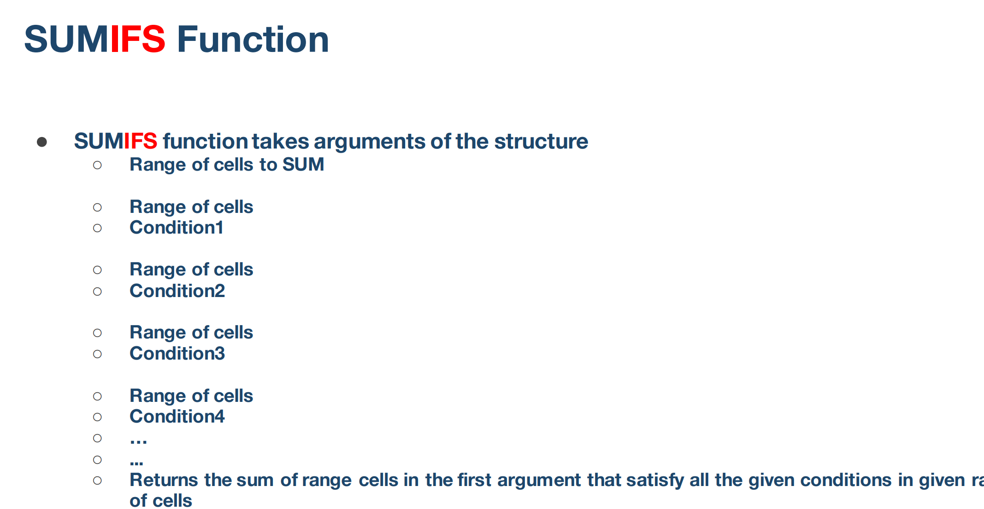

Example
Roll Number | Gender | Subject | Marks | Result | Formula
123 | Male | Maths | 55 |  | 82 | =SUMIFS(D38:D49,B38:B49,"Female",C38:C49,"English")
124 | Male | English | 73 |  | Sum of marks obtained by female students in English
125 | Male | Science | 47
126 | Male | Maths | 58
127 | Female | English | 82
128 | Male | Science | 90
129 | Female | Maths | 77
130 | Male | English | 67
131 | Male | Science | 75
132 | Female | Maths | 83
133 | Male | English | 85
134 | Male | Science | 86

Example
Roll Number | Gender | Subject | Marks | Result | Formula
123 | Male | Maths | 55 |  | 56.5 | =AVERAGEIFS(D54:D65,B54:B65,"Male",C54:C65,"Maths")
124 | Male | English | 73 |  | Average marks obtained by male students in Maths
125 | Male | Science | 47
126 | Male | Maths | 58
127 | Female | English | 82
128 | Male | Science | 90
129 | Female | Maths | 77
130 | Male | English | 67
131 | Male | Science | 75
132 | Female | Maths | 83
133 | Male | English | 85
134 | Male | Science | 86

Example
Roll Number | Gender | Subject | Marks | Result | Formula
123 | Male | Maths | 55 | 70.666666667 | =AVERAGEIF(B71:B82,"Male",D71:D82)
124 | Male | English | 73 |  | Average marks obtained by male students
125 | Male | Science | 47
126 | Male | Maths | 58
127 | Female | English | 82
128 | Male | Science | 90
129 | Female | Maths | 77
130 | Male | English | 67
131 | Male | Science | 75
132 | Female | Maths | 83
133 | Male | English | 85
134 | Male | Science | 86

Example
Roll Number | Gender | Subject | Marks | Result | Formula
123 | Male | Maths | 55 | 80.666666667 | =AVERAGEIF(B87:B98,"Female",D87:D98)
124 | Male | English | 73 |  | Average marks obtained by female students
125 | Male | Science | 47
126 | Male | Maths | 58
127 | Female | English | 82
128 | Male | Science | 90
129 | Female | Maths | 77
130 | Male | English | 67
131 | Male | Science | 75
132 | Female | Maths | 83
133 | Male | English | 85
134 | Male | Science | 86

Example
Roll Number | Gender | Subject | Marks | Result | Formula
123 | Male | Maths | 55 | 74.5 | =AVERAGEIF(C103:C114,"Science",D103:D114)
124 | Male | English | 73 |  | Average marks obtained in Science
125 | Male | Science | 47
126 | Male | Maths | 58
127 | Female | English | 82
128 | Male | Science | 90
129 | Female | Maths | 77
130 | Male | English | 67
131 | Male | Science | 75
132 | Female | Maths | 83
133 | Male | English | 85
134 | Male | Science | 86

AVERAGEIF Function
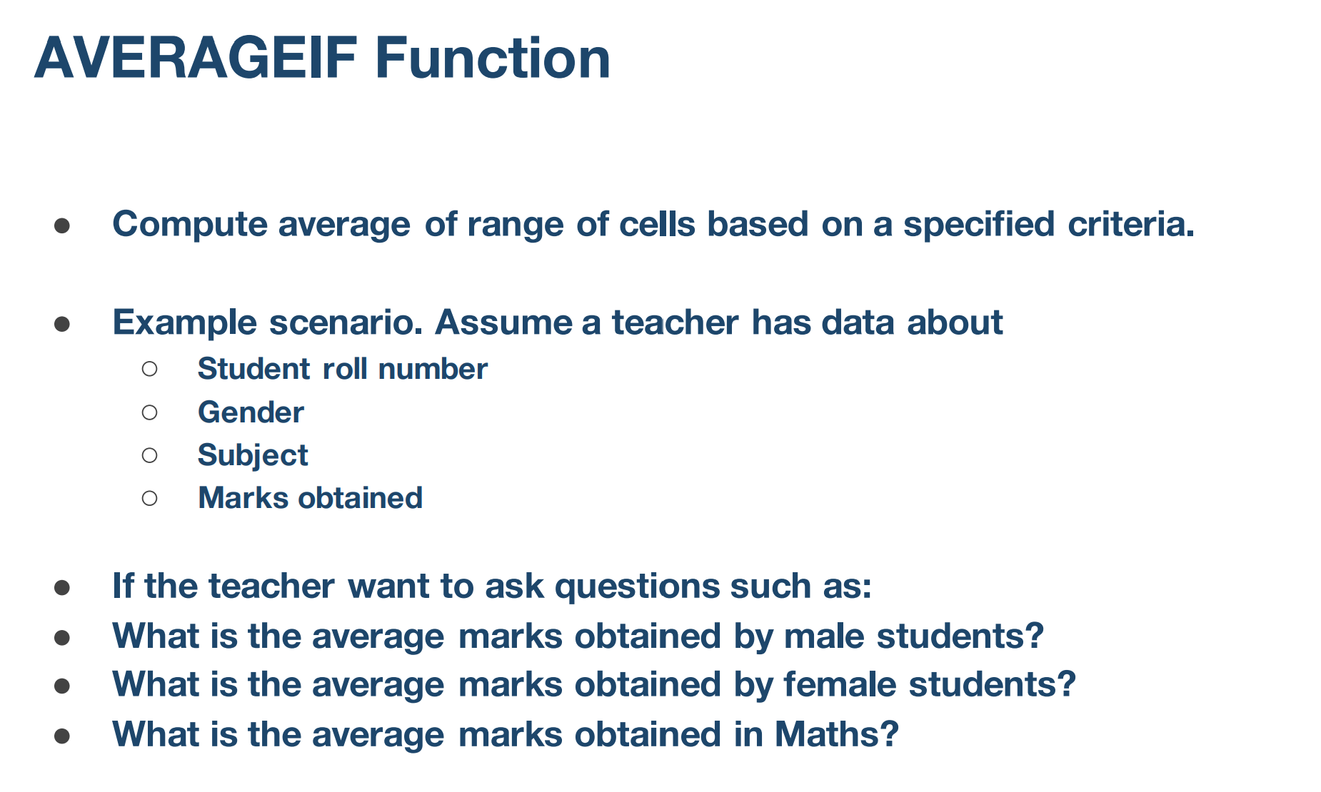

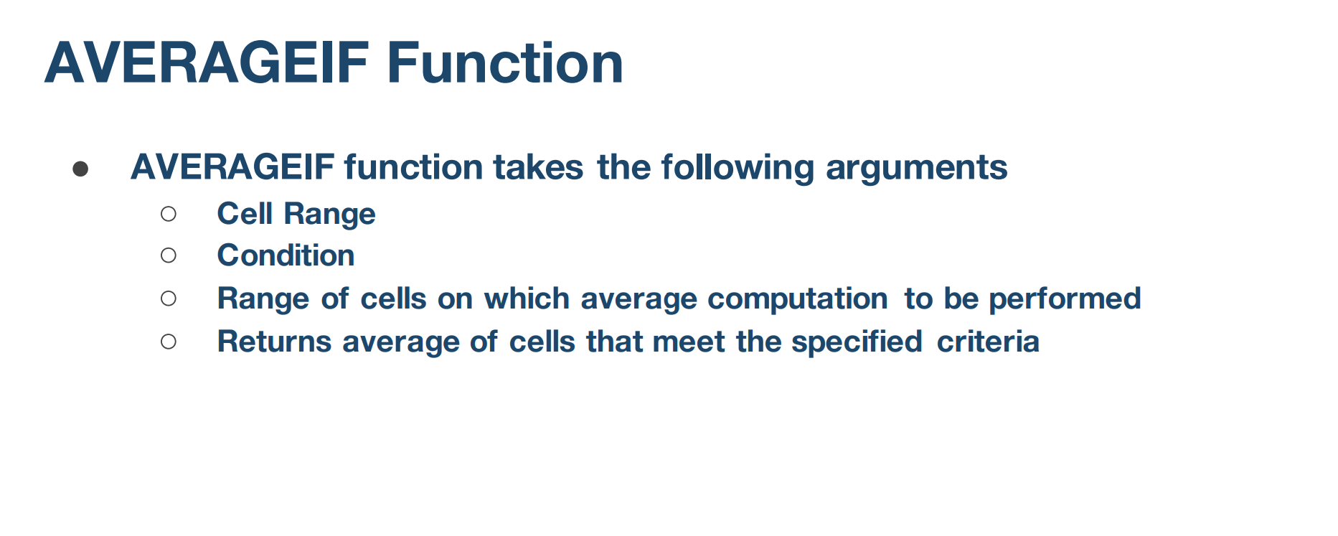

AVERAGEIFS Function


